Hierarchy of Controls
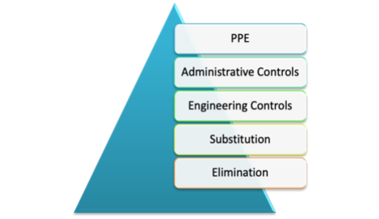
Least Effective

Most Effective

